Summary
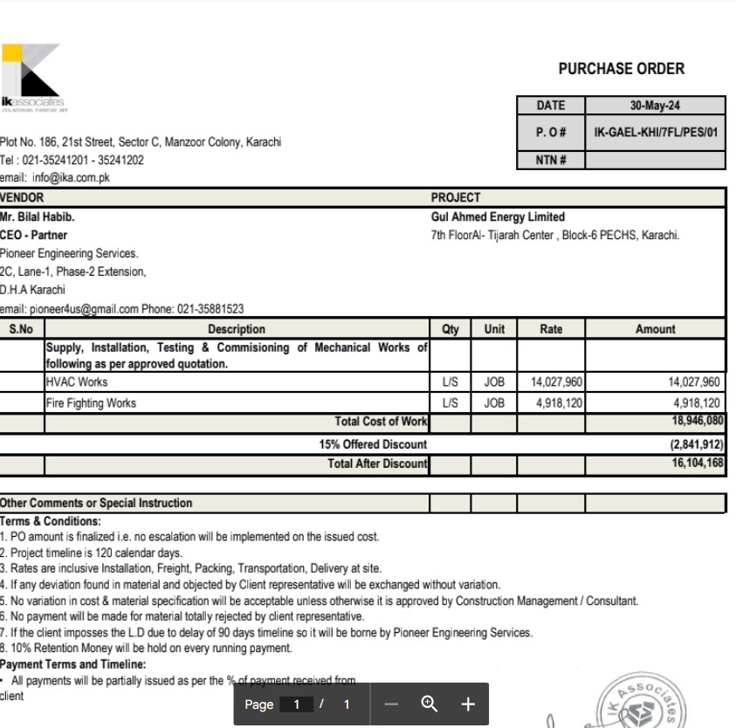

HVAC & Fire Fighting Works |  |  |  | 26-Oct-24

GUL AHMED ENERGY LIMITED
PHASE # 2 7TH FLOOR, AL-TIJARAH CENTER KARACHI

SUMMARY OF RUNNING BILL NO 2

S.No | Description | Material | Labour | Amount

1 | HVAC Work | 9,660,534 | 1,660,595 | 11,321,130
2 | Fire Fighting | 2,651,624 | 405,663 | 3,057,287

3 | 05 Nos Vairation amount | - | - | 4,965,180

 | Grand Total Amount |  |  | 19,343,596

